Sheet8
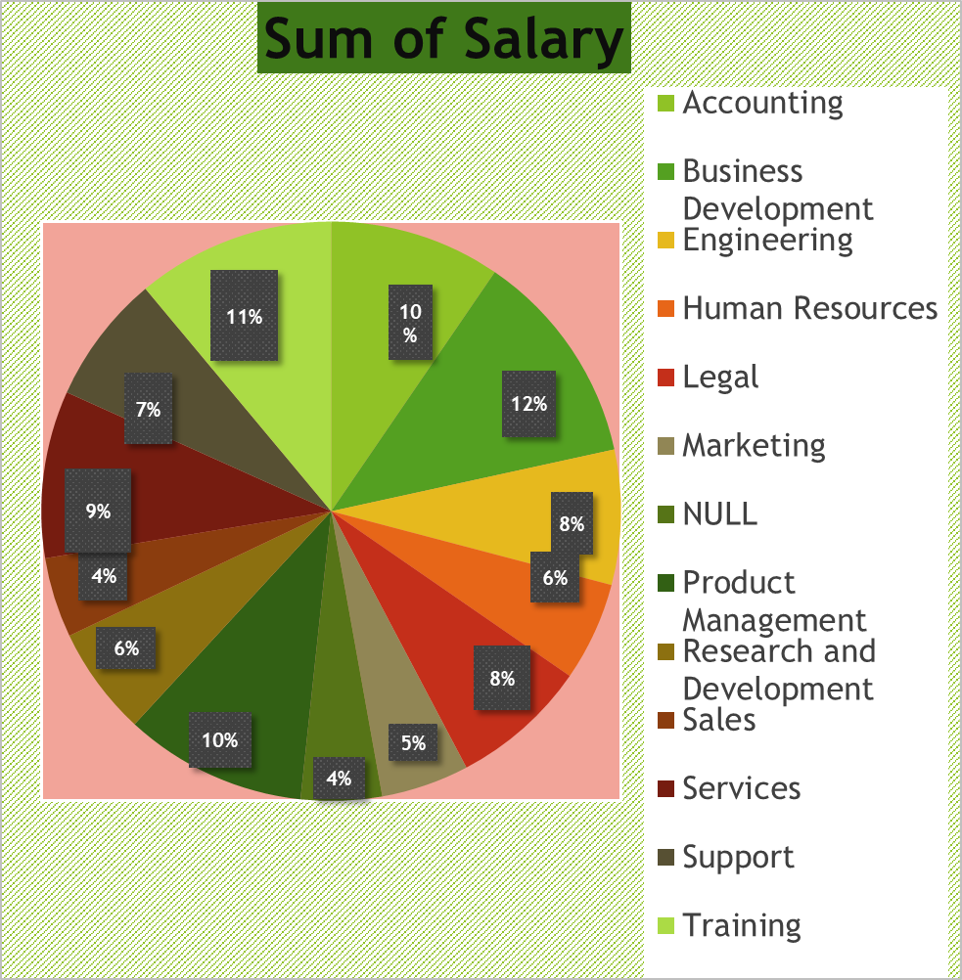
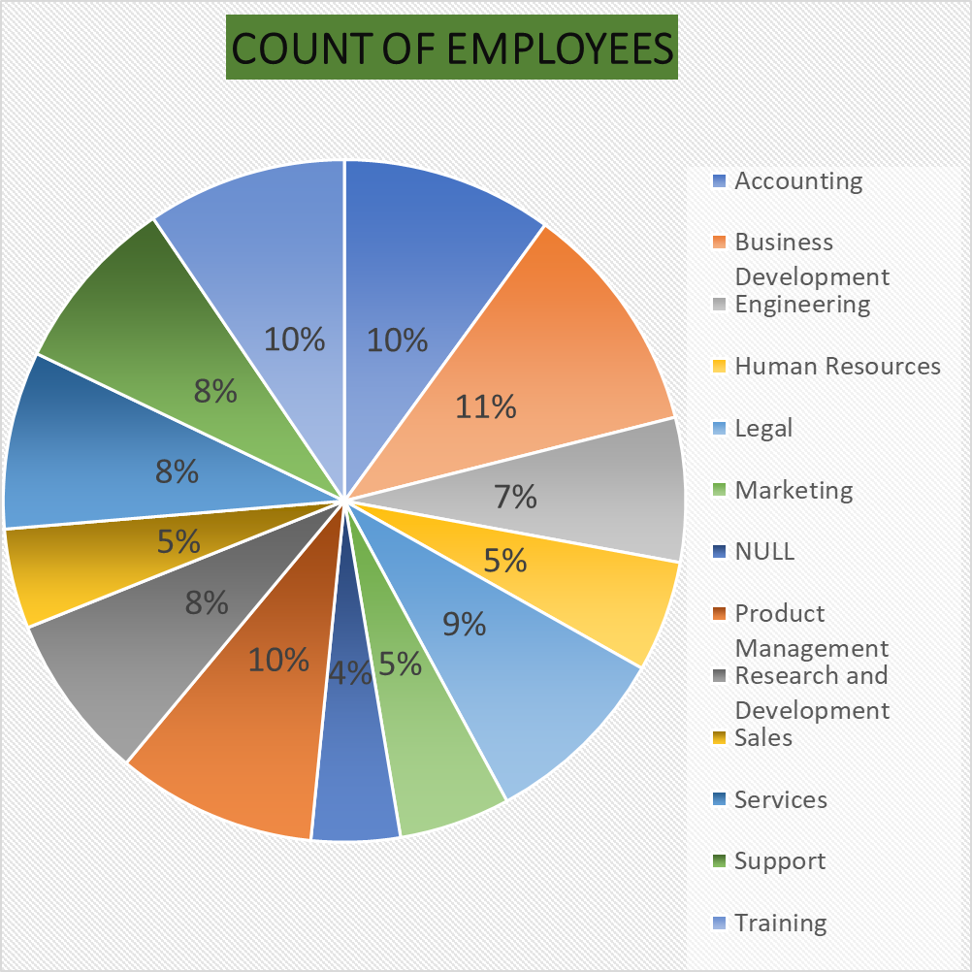
DEPARTMENTS | Count of Employees | Sum of Salary | PIE CHART
Accounting | 19 | 1268946.18
Business Development | 21 | 1599611.9
Engineering | 13 | 1000392.22
Human Resources | 10 | 734324.39
Legal | 17 | 1017767.51
Marketing | 10 | 651854.18
NULL | 8 | 600130.73
Product Management | 18 | 1352220.23
Research and Development | 15 | 807560.91
Sales | 9 | 594025.59
Services | 16 | 1240389.38
Support | 16 | 957757.29
Training | 18 | 1471287.47
Grand Total | 190 | 13296267.98

